Case #1
Justin Pope Dev Test
Test Case No. | 1
Process | Test adding email to system tables and using procedure to send it
Test Consideration | 1) Access to SQL08 to execute procedures
Test Condition |  | Data Used | How To Verify | Actual Results
Tasks
1 | UsageExample1.sql script | Execute the sql script | query appropriate tables to confirm | Screen shot and data
Configuration/Data Setup for Testing Scenario
1 | Execute Stored Procedure with data
2 | Access to Syspro
3 | Access to SugarCRM
Verification

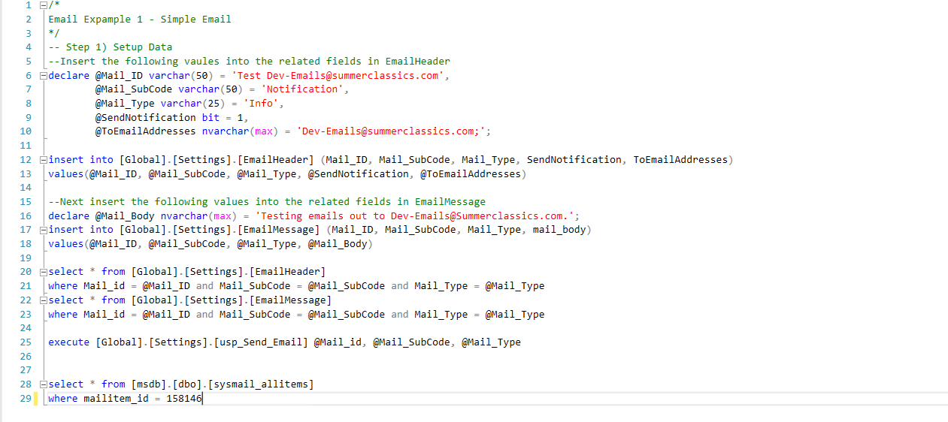

Email Header Query
 | Mail_id | Mail_SubCode | Mail_Type | SendNotification | ToEmailAdresses | CCEmailAddressess | BCCEmailAddressess
 | Test Dev-Emails@summerclassics.com | Notification | Info | 1 | Dev-Emails@summerclassics.com; | NULL | NULL

 | Email Message Query
 | Mail_ID | Mail_SubCode | Mail_Type | profile_name | from_address | mail_subject | mail_body | mail_body_format | mail_importance | mail_sensitivity | mail_query | mail_query_database | mail_query_result_header | mail_query_result_as_file | mail_query_attachment_filename | mail_query_result_width | mail_query_result_separator | mail_exclude_query_output | mail_append_query_error | mail_query_no_truncate | mail_query_result_no_padding | mail_reply_to
 | Test Dev-Emails@summerclassics.com | Notification | Info | SQL Server | NULL | SQL Server Message | Testing emails out to Dev-Emails@Summerclassics.com. | TEXT | Normal | Normal | NULL | NULL | 0 | 0 | NULL | 256 |  | 0 | 0 | 1 | 0 | NULL

 | [msdb].[dbo].[sysmail_allitems]
 | mailitem_id | profile_id | recipients | copy_recipients | blind_copy_recipients | subject | body | body_format | importance | sensitivity | file_attachments | attachment_encoding | query | execute_query_database | attach_query_result_as_file | query_result_header | query_result_width | query_result_separator | exclude_query_output | append_query_error | send_request_date | send_request_user | sent_account_id | sent_status | sent_date | last_mod_date | last_mod_user
 | 158146 | 2 | Dev-Emails@summerclassics.com; | NULL | NULL | SQL Server Message | Testing emails out to Dev-Emails@Summerclassics.com. | TEXT | NORMAL | NORMAL | NULL | MIME | NULL | NULL | 0 | 0 | 256 |  | 0 | 0 | 2022-09-12 11:59:25 | SUMMERCLASSICS\adm_JustinP | 4 | sent | 2022-09-12 11:59:25 | 2022-09-12 11:59:25 | sa

Case #2
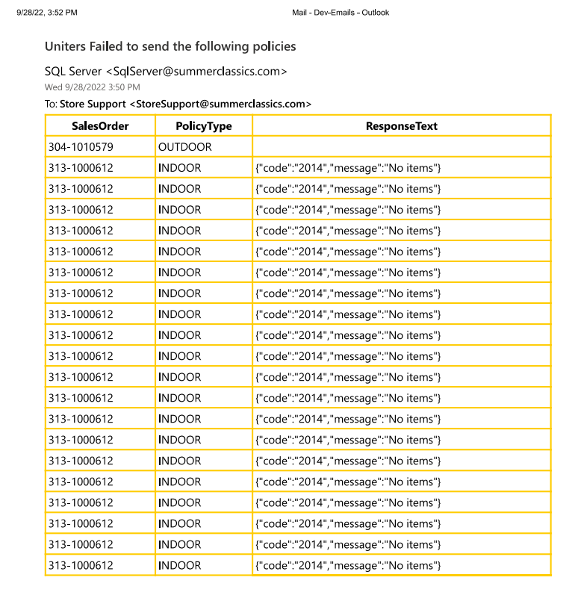
Justin Pope Dev Test
Test Case No. |  | 2
Process |  | Test Uniters_ErrorEmail
Test Consideration |  | 1) Access to SQL08 to execute procedures
Test Condition |  |  | Data Used | How To Verify | Actual Results
Tasks
1 |  | Stage records | Execute the sql script | query appropriate tables to confirm | Screen shot and data

Configuration/Data Setup for Testing Scenario
1 |  | Execute Stored Procedure with data
Verification

 | PK_ID | Status | Invoice | Sales Order | Policy Type | Policy Exact | Date Transmitted | Response Code | Response Text
 | 3466 | NEW | 304-1010579 | 304-1023035 | OUTDOOR | UOUT10 | 9/28/22 | 12029
 | 3474 | NEW | 313-1000612 | 313-1001192 | INDOOR | UIND10 | 9/28/22 | 400 | {"code":"2014","message":"No items"}
 | 3475 | NEW | 313-1000612 | 313-1001192 | INDOOR | UIND10 | 9/28/22 | 400 | {"code":"2014","message":"No items"}
 | 3476 | NEW | 313-1000612 | 313-1001192 | INDOOR | UIND10 | 9/28/22 | 400 | {"code":"2014","message":"No items"}
 | 3477 | NEW | 313-1000612 | 313-1001192 | INDOOR | UIND10 | 9/28/22 | 400 | {"code":"2014","message":"No items"}
 | 3478 | NEW | 313-1000612 | 313-1001192 | INDOOR | UIND10 | 9/28/22 | 400 | {"code":"2014","message":"No items"}
 | 3479 | NEW | 313-1000612 | 313-1001192 | INDOOR | UIND10 | 9/28/22 | 400 | {"code":"2014","message":"No items"}
 | 3480 | NEW | 313-1000612 | 313-1001192 | INDOOR | UIND10 | 9/28/22 | 400 | {"code":"2014","message":"No items"}
 | 3481 | NEW | 313-1000612 | 313-1001192 | INDOOR | UIND10 | 9/28/22 | 400 | {"code":"2014","message":"No items"}
 | 3482 | NEW | 313-1000612 | 313-1001192 | INDOOR | UIND10 | 9/28/22 | 400 | {"code":"2014","message":"No items"}
 | 3483 | NEW | 313-1000612 | 313-1001192 | INDOOR | UIND10 | 9/28/22 | 400 | {"code":"2014","message":"No items"}
 | 3484 | NEW | 313-1000612 | 313-1001192 | INDOOR | UIND10 | 9/28/22 | 400 | {"code":"2014","message":"No items"}
 | 3485 | NEW | 313-1000612 | 313-1001192 | INDOOR | UIND10 | 9/28/22 | 400 | {"code":"2014","message":"No items"}
 | 3486 | NEW | 313-1000612 | 313-1001192 | INDOOR | UIND10 | 9/28/22 | 400 | {"code":"2014","message":"No items"}
 | 3487 | NEW | 313-1000612 | 313-1001192 | INDOOR | UIND10 | 9/28/22 | 400 | {"code":"2014","message":"No items"}
 | 3488 | NEW | 313-1000612 | 313-1001192 | INDOOR | UIND10 | 9/28/22 | 400 | {"code":"2014","message":"No items"}
 | 3489 | NEW | 313-1000612 | 313-1001192 | INDOOR | UIND10 | 9/28/22 | 400 | {"code":"2014","message":"No items"}
 | 3490 | NEW | 313-1000612 | 313-1001192 | INDOOR | UIND10 | 9/28/22 | 400 | {"code":"2014","message":"No items"}
 | 3491 | NEW | 313-1000612 | 313-1001192 | INDOOR | UIND10 | 9/28/22 | 400 | {"code":"2014","message":"No items"}
 | 3492 | NEW | 313-1000612 | 313-1001192 | INDOOR | UIND10 | 9/28/22 | 400 | {"code":"2014","message":"No items"}
 | 3493 | NEW | 313-1000612 | 313-1001192 | INDOOR | UIND10 | 9/28/22 | 400 | {"code":"2014","message":"No items"}

Case #3
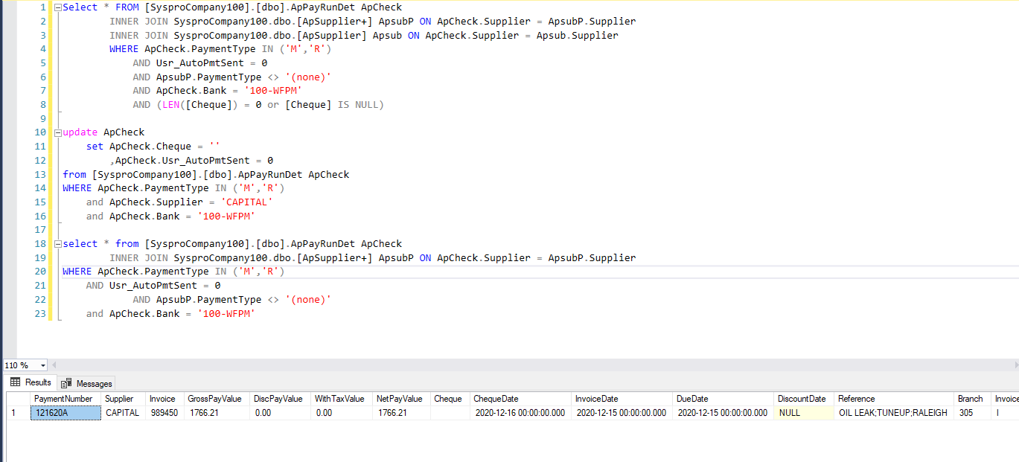
Justin Pope Dev Test
Test Case No. | 3
Process | Test WellsFargo.BuildFile
Test Consideration | 1) Access to SQL08 to execute procedures
Test Condition |  | Data Used | How To Verify | Actual Results
Tasks
1 | Stage records | Execute the sql script | query appropriate tables to confirm | Screen shot and data
2 | execute WellsFargo.BuildFile | execute procedure
3 | verify email sent |  |  | Screen shot of email
Configuration/Data Setup for Testing Scenario
1 | Execute Stored Procedure with data
Verification

 | This is the record is the condition the email to be sent out

